FEB2638D23

HDFC FMP 2638D February 2023 (A Close Ended Income Scheme With Tenure 2638 Days. A Relatively High Interest Rate Risk and Relatively Low Credit Risk) |  |  |  |  |  |  |  |  |  | Income | Hybrid
Portfolio as on 30-Sep-2023

 | ISIN | Coupon (%) | Name Of the Instrument | Industry+ /Rating | Quantity | Market/ Fair Value (Rs. in Lacs.) | % to NAV | Yield | ~YTC (AT1/Tier 2 bonds)
 | DEBT INSTRUMENTS
 | (a) Listed / awaiting listing on Stock Exchanges
 | Government Securities (Central/State)
| | IN000330C042 |  | GOI STRIPS - Mat 190330^ | Sovereign | 8,346,000 | 5,243.88 | 38.58 | 7.4510
| | IN000929C041 |  | GOI STRIPS - Mat 190929^ | Sovereign | 3,626,000 | 2,359.15 | 17.36 | 7.4699
| | IN000230C028 |  | GOI STRIPS - Mat 220230^ | Sovereign | 3,042,000 | 1,921.64 | 14.14 | 7.4511
| | IN000430C016 |  | GOI STRIPS - Mat 260430^ | Sovereign | 2,547,600 | 1,589.40 | 11.69 | 7.4460
| | IN0020200070 | 5.79 | 5.79% GOI MAT 110530^ | Sovereign | 1,500,000 | 1,388.32 | 10.21 | 7.3551
| | IN000130C012 |  | GOI STRIPS - Mat 020130^ | Sovereign | 1,037,500 | 661.96 | 4.87 | 7.4514
| | IN000330C059 |  | GOI STRIPS - Mat 120330^ | Sovereign | 500,000 | 314.60 | 2.31 | 7.4510
 | Sub Total |  |  |  |  | 13,478.95 | 99.16
 | Total |  |  |  |  | 13,478.95 | 99.16
 | MONEY MARKET INSTRUMENTS
 | TREPS - Tri-party Repo
 |  |  | TREPS - Tri-party Repo |  |  | 76.49 | 0.56 | 6.7908
 | Sub Total |  |  |  |  | 76.49 | 0.56
 | Total |  |  |  |  | 76.49 | 0.56
 | OTHERS
 | Net Current Assets
 |  |  | Net Current Assets |  |  | 37.33 | 0.28
 | Sub Total |  |  |  |  | 37.33 | 0.28
 | Total |  |  |  |  | 37.33 | 0.28

 | Grand Total |  |  |  |  | 13,592.77 | 100.00
| | Top Ten Holdings
 | + Industry Classification as recommended by AMFI
 | £ - Sponsor Company
 | ** Thinly Traded/ Non-Traded Securities (Equity) as on September 29, 2023
 | ^ Non-Traded Securities (Debt) as on September 29, 2023
 | # Non Sensex Scrips
 | @ Less than 0.01%.
 | ~ YTC i.e. Yield to Call is disclosed at security level only for Additional Tier 1 Bonds and Tier 2 Bonds issued by Banks as per AMFI Best Practices Notification 135/BP/91/2020-21 read with SEBI circular SEBI/HO/IMD/DF4/CIR/P/2021/034

 | Portfolio Classification by Asset Class(%)
 | G-Sec, G-Sec STRIPS |  | 99.16
 | Cash, Cash Equivalents and Net Current Assets |  | 0.84
 | Portfolio Classification by Rating Class(%)
 | Sovereign |  | 99.16
 | Cash, Cash Equivalents and Net Current Assets |  | 0.84

 | Notes :
 | 1) NAV History
 | NAVs per unit (Rs.) | September 30, 2023 | August 31, 2023
 | IDCW Option | 10.5623 | 10.5308
 | IDCW Option - Direct Plan | NA | NA
 | Quarterly IDCW Option | 10.0607 | 10.2472
 | Quarterly IDCW Option - Direct Plan | 10.0616 | 10.2526
 | Growth Option | 10.5623 | 10.5308
 | Growth Option - Direct Plan | 10.5791 | 10.5453

 | Dividend History - Dividend declared during the month ended September 30, 2023 :
 |  |  |  | Dividend Per Unit (Rs) for
 | Plan Name | Record Date | Nav as on Record Date | Individuals and HUF | Others
 | Quarterly IDCW Option | 25-Sep-2023 | 10.2904 | 0.2180 | 0.2180
 | Quarterly IDCW Option - Direct Plan | 25-Sep-2023 | 10.2976 | 0.2247 | 0.2247

 | Bonus History - Bonus declared during the month ended September 30, 2023: Nil

 | 2) Total below investment grade or default provided for and its percentage to NAV : Nil
 | 3) Total investments in Foreign Securities / Overseas ETFs / ADRs / GDRs : Nil
 | 4) Repo in Corporate Debt : Nil
 | 5) Total outstanding exposure in Derivative Instruments as on Sep 30, 2023 : Nil
 | 6) Annualised Portfolio YTM : 7.44%
 | 7) Macaulay Duration : 2270.89 Days
 | 8) Residual Maturity (Average Portfolio Maturity-other than equity investments) : 2319.28 Days
 | 9) IDCW stands for Income Distribution cum Capital Withdrawal
 | 10) Riskometer based on Scheme Portfolio and Portfolio Benchmark "NIFTY Long Duration Debt Index" as on Sep 30, 2023

 | Scheme Riskometer:
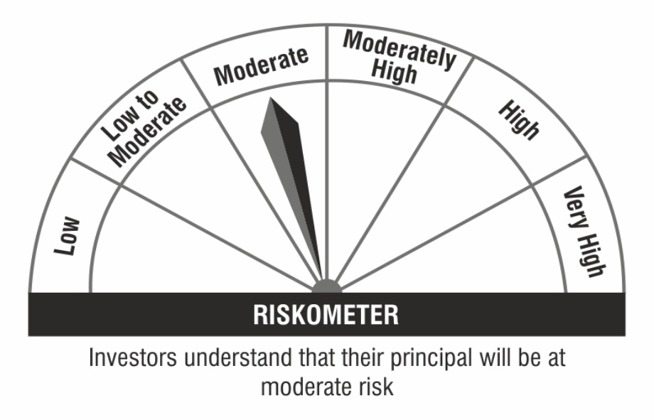

 | Benchmark Riskometer:

